Sheet1
PIN No. | Power Supply, Clock, System Control | I/O Port | Communications | Touch sensing | LOADS
1 |  | P06 |  |  | -
2 |  | P03 |  |  | -
3 |  | P04 |  |  | -
4 | VCL |  |  |  | -
5 |  | PJ1 |  |  | -
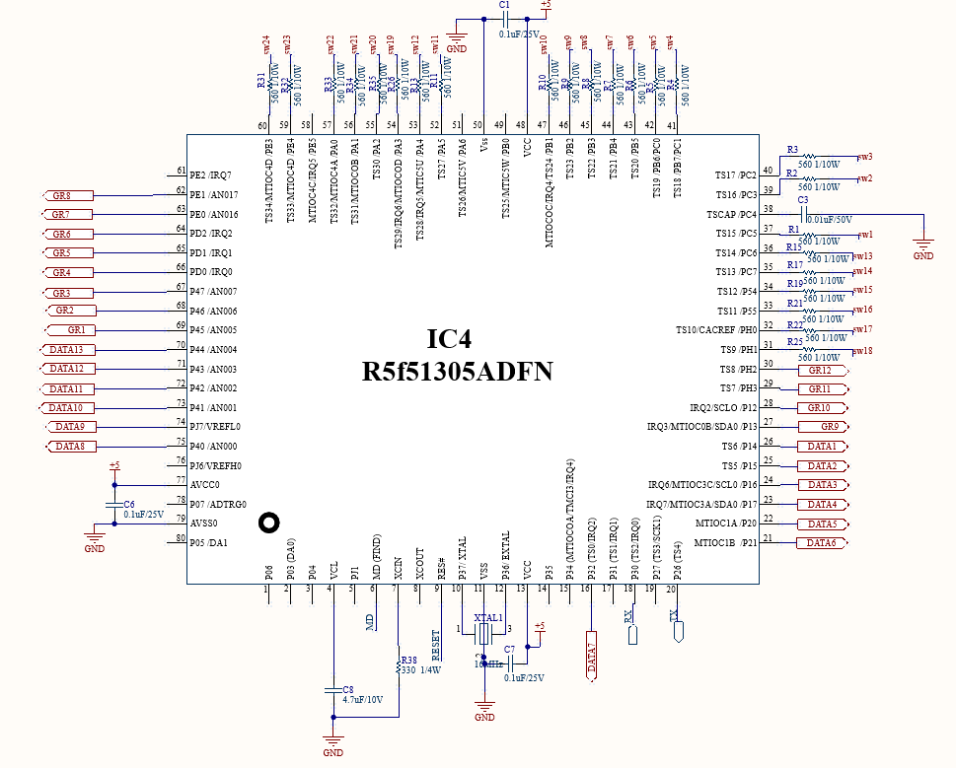
6 | MD |  |  |  | MD
7 | XCIN |  |  |  | -
8 | XCOUT |  |  |  | -
9 | RES# |  |  |  | RESET
10 | XTAL | P37 |  |  | crystal 16mhz
11 | VSS |  |  |  | -
12 | EXTAL | P36 |  |  | crystal 16mhz
13 | VCC |  |  |  | -
14 |  | P35 |  |  | -
15 |  | P34 | SCK6 |  | -
16 |  | P32 | TXD6/SMOSI6/SSDA6 | TS0 | ROW 7
17 |  | P31 | CTS1#/RTS1#/SS1# | TS1 | -
18 |  | P30 | RXD1/SMISO1/SSCL1 | TS2 | Rx
19 |  | P27 | SCK1 | TS3 | -
20 |  | P26 | TXD1/SMOSI1/SSDA1 | TS4 | Tx
21 |  | P21 |  |  | ROW 6
22 |  | P20 |  |  | ROW 5
23 | (5V tolerant) | P17 | SCK1/MISOA/SDA0 |  | ROW 4
24 | (5V tolerant) | P16 | TXD1/SMOSI1/SSDA1/MOSIA/SCL0 |  | ROW 3
25 |  | P15 | RXD1/SMISO1/SSCL1 | TS5 | ROW 2
26 |  | P14 | CTS1#/RTS1#/SS1# | TS6 | ROW 1
27 | (5V tolerant) | P13 | SDA0 |  | column 9
28 | (5V tolerant) | P12 | SCL0 |  | column 10
29 |  | PH3 |  | TS7 | column 11
30 |  | PH2 |  | TS8 | column 12
31 |  | PH1 |  | TS9 | Touch sw 18
32 |  | PH0 |  | TS10 | Touch sw 17
33 |  | P55 |  | TS11 | Touch sw 16
34 |  | P54 |  | TS12 | Touch sw 15
35 |  | PC7 | MISOA | TS13 | Touch sw 14
36 |  | PC6 | MOSIA | TS14 | Touch sw 13
37 |  | PC5 | RSPCKA | TS15 | Touch sw 1
38 |  | PC4 | SCK5/SSLA0 | TSCAP | -
39 |  | PC3 | TXD5/SMOSI5/SSDA5 | TS16 | Touch sw 2
40 |  | PC2 | RXD5/SMISO5/SSCL5/SSLA3 | TS17 | Touch sw 3
41 |  | PB7/PC1 |  | TS18 | Touch sw 4
42 |  | PB6/PC0 |  | TS19 | Touch sw 5
43 |  | PB5 |  | TS20 | Touch sw 6
44 |  | PB4 |  | TS21 | Touch sw 7
45 |  | PB3 | SCK6 | TS22 | Touch sw 8
46 |  | PB2 | CTS6#/RTS6#/SS6# | TS23 | Touch sw 9
47 |  | PB1 | TXD6/SMOSI6/SSDA6 | TS24 | Touch sw 10
48 | VCC |  |  |  | -
49 |  | PB0 | RXD6/SMISO6/SSCL6/RSPCKA | TS25 | -
50 | VSS |  |  |  | -
51 |  | PA6 | CTS5#/RTS5#/SS5#/MOSIA | TS26 | -
52 |  | PA5 | RSPCKA | TS27 | Touch sw 11
53 |  | PA4 | TXD5/SMOSI5/SSDA5/SSLA0 | TS28 | Touch sw 12
54 |  | PA3 | RXD5/SMISO5/SSCL5 | TS29 | Touch sw 19
55 |  | PA2 | RXD5/SMISO5/SSCL5/SSLA3 | TS30 | Touch sw 20
56 |  | PA1 | SCK5/SSLA2 | TS31 | Touch sw 21
57 |  | PA0 | SSLA1 | TS32 | Touch sw 22
58 |  | PE5 |  | TS33 | -
59 |  | PE4 |  | TS34 | Touch sw 23
60 |  | PE3 | CTS12#/RTS12#/SS12# | TS35 | Touch sw 24
61 |  | PE2 | RXD12/RXDX12/SMISO12/SSCL12 |  | -
62 |  | PE1 | TXD12/TXDX12/SIOX12/SMOSI12/ SSDA12 |  | column 8
63 |  | PE0 | SCK12 |  | column 7
64 |  | PD2 | SCK6 |  | column 6
65 |  | PD1 | RXD6/SMISO6/SSCL6 |  | column 5
66 |  | PD0 | TXD6/SMOSI6/SSDA6 |  | column 4
67 |  | P47 |  |  | column 3
68 |  | P46 |  |  | column 2
69 |  | P45 |  |  | column 1
70 |  | P44 |  |  | ROW 13
71 |  | P43 |  |  | ROW 12
72 |  | P42 |  |  | ROW 11
73 |  | P41 |  |  | ROW 10
74 | VREFL0 | PJ7 |  |  | ROW 9
75 |  | P40 |  |  | ROW 8
76 | VREFH0 | PJ6 |  |  | -
77 | AVCC0 |  |  |  | -
78 |  | P07 |  |  | -
79 | AVSS0 |  |  |  | -
80 |  | P05 |  |  | -

